Introduction
Why am I here? | Review of Reviewers (Veteran CAs)

The 'Review of Reviewers' stage is covered in the Community Advisor Guide | The Process
"This is a self correcting process which precedes the Ballot Submission phase and provides guidance to the Voting Committee."
 | Clone this document first
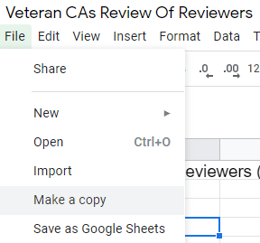
Our goal is to firstly review any Community Advisor feedback which has been flagged for attention by the idea proposer. But you are not limited to stop there and may consider any and all reviews provided by CAs during the general 'Assess' stage.

Removal of a review requires unanimous feedback from the Veteran CAs that assess it. It is possible (likely) that individual CAs may be unable to review every proposal, but there cannot be conflict between the assessments for removal via this process.

The Voting Committee will be able to remove reviews if there is disagreement between Veteran CAs, but this is unlikely, except in the face of egregiously poor reviews.

 |  | <--------- (1) Make a copy
Instructions for providing feedback and reviewing proposer comments is here =>

The deadline for completion is Monday 15th February 2021 @6pm UTC

 | Filters are your friend!!
 | You have access to filters on every field. Including an anonymized version of the CA that provided the review. Screenshot below is for narrowing to a proposal.

 |  | <----- (2) Filter Icon

 |  | <----- (3) Click Clear

 |  | <----- (4) Type a proposal name
 |  | as you type the results list will narrow

 |  | (5) Select the proposal name

 |  | <----- (6) Click OK

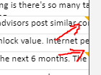
 | Proposer Feedback
 | Keep an eye out for feedback from proposers. We asked them to provid it on the review field, like so.
 |  | Hover over the orange triangles to see the feedback. Some proposers are commenting on every review, not just the negative ones.

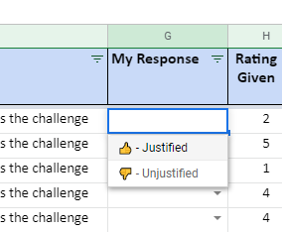
 | Your Feedback
 |  | Every review offers you a chance to flag it as either 'Justified' or 'Unjustified'. Remember you are not being asked to agree with this review.

 |  | An 'Unjustified' review means the comment just not indicated why this score was appropriate, or demonstrates the reviewer did not read the proposal before commenting.

 |  | <----- (7) Respond to bad feedback

 | Aggregation
 | When you are completed your review, post your copy of the sheet into the 'CatalystCommunityAdvisors' group in Telegram. Your feedback needs to be public and transparent to the community to count.

